Pivot Table
Sum of Total_Amount5 | Column Labels |  |  |  | Descriptive Statistics
Row Labels | 2023 | 2024 | 2025 | Grand Total
STORE0 | 9046.0773 | 33962.2566 | 42130.2213 | 85138.5552 | 2023 |  | 2024 |  | 2025
STORE1 | 11650.7705 | 49090.6249 | 40319.2138 | 101060.6092
STORE10 | 7438.3518 | 54687.264 | 47666.0994 | 109791.7152 | Mean | 11190.636225 | Mean | 54695.58977 | Mean | 42833.50892
STORE11 | 4958.7861 | 54325.8942 | 33763.4602 | 93048.1405 | Standard Error | 1131.997551 | Standard Error | 1970.2807238 | Standard Error | 2384.44188
STORE12 | 8439.0101 | 62045.4021 | 46344.8084 | 116829.2206 | Median | 11242.57015 | Median | 54218.44135 | Median | 43116.27855
STORE13 | 10046.3629 | 52349.3745 | 52005.7341 | 114401.4715 | Mode | #N/A | Mode | #N/A | Mode | #N/A
STORE14 | 5524.3127 | 57066.414 | 43657.5566 | 106248.2833 | Standard Deviation | 5062.4469487 | Standard Deviation | 8811.3632663 | Standard Deviation | 10663.548264
STORE15 | 12964.7539 | 54110.9885 | 32603.3436 | 99679.086 | Sample Variance | 25628369.108 | Sample Variance | 77640122.61 | Sample Variance | 113711261.58
STORE16 | 2266.0419 | 66040.7467 | 43398.155 | 111704.9436 | Kurtosis | -0.024192074316 | Kurtosis | -0.044740875688 | Kurtosis | 6.0905299329
STORE17 | 12459.4043 | 67829.833 | 41887.3098 | 122176.5471 | Skewness | 0.2181500776 | Skewness | -0.44511860211 | Skewness | 1.7426805636
STORE18 | 10834.3698 | 46461.7614 | 47016.9233 | 104313.0545 | Range | 20064.9125 | Range | 33867.5764 | Range | 51269.4043
STORE19 | 13807.8632 | 53391.4055 | 27026.4546 | 94225.7233 | Minimum | 2266.0419 | Minimum | 33962.2566 | Minimum | 27026.4546
STORE2 | 14092.5366 | 46410.9769 | 38457.2943 | 98960.8078 | Maximum | 22330.9544 | Maximum | 67829.833 | Maximum | 78295.8589
STORE3 | 18014.2429 | 62461.2859 | 44536.2997 | 125011.8285 | Sum | 223812.7245 | Sum | 1093911.7954 | Sum | 856670.1784
STORE4 | 12055.5604 | 63483.1235 | 43275.4318 | 118814.1157 | Count | 20 | Count | 20 | Count | 20
TOTAL SALES
STORE5 | 10700.706 | 42798.1356 | 27844.7473 | 81343.5889
STORE6 | 17550.3649 | 49290.7057 | 47692.726 | 114533.7966
STORE7 | 22330.9544 | 49916.98 | 35791.415 | 108039.3494
STORE8 | 15838.5826 | 64837.0209 | 78295.8589 | 158971.4624
STORE9 | 3793.6722 | 63351.6015 | 42957.1253 | 110102.399
Grand Total | 223812.7245 | 1093911.7954 | 856670.1784 | 2174394.6983

LOYALITY

Count of Loyalty_Level | Column Labels
Row Labels | Female | Male | Grand Total
Bronze | 229 | 258 | 487
Gold | 280 | 189 | 469
Platinum | 372 | 250 | 622
Silver | 215 | 207 | 422
Grand Total | 1096 | 904 | 2000

MAXIMUM PRICE

Row Labels | Max of Cost
Beauty | 482.75
Clothing | 438.25
Electronics | 480.9
Home | 461.47
Sports | 495.72
Grand Total | 495.72

PAYMENT_TYPE

Row Labels | Count of Payment_Type
COD | 660
Credit Card | 645
PayPal | 695
Grand Total | 2000

STORE_TYPE

Row Labels | Count of Store_Type
Flagship | 794
Online | 822
Outlet | 384
Grand Total | 2000

REGION WAISE AVERAGE SALES
Row Labels | Average of Total_Amount5
EAST | 1054.92257
NORTH | 1084.0618797
SOUTH | 1093.3099754
WEST | 1161.7013133
Grand Total | 1087.1973491

Dashboard
E Commerce Sales - Dashboard

TOTAL SALES
 | 2023 | 2024 | 2025
STORE0 | 9046.0773 | 33962.2566 | 42130.2213
STORE1 | 11650.7705 | 49090.6249 | 40319.2138
STORE10 | 7438.3518 | 54687.264 | 47666.0994
STORE11 | 4958.7861 | 54325.8942 | 33763.4602
STORE12 | 8439.0101 | 62045.4021 | 46344.8084
STORE13 | 10046.3629 | 52349.3745 | 52005.7341
STORE14 | 5524.3127 | 57066.414 | 43657.5566
STORE15 | 12964.7539 | 54110.9885 | 32603.3436
STORE16 | 2266.0419 | 66040.7467 | 43398.155
STORE17 | 12459.4043 | 67829.833 | 41887.3098
STORE18 | 10834.3698 | 46461.7614 | 47016.9233
STORE19 | 13807.8632 | 53391.4055 | 27026.4546
STORE2 | 14092.5366 | 46410.9769 | 38457.2943
STORE3 | 18014.2429 | 62461.2859 | 44536.2997
STORE4 | 12055.5604 | 63483.1235 | 43275.4318
STORE5 | 10700.706 | 42798.1356 | 27844.7473
STORE6 | 17550.3649 | 49290.7057 | 47692.726
STORE7 | 22330.9544 | 49916.98 | 35791.415
STORE8 | 15838.5826 | 64837.0209 | 78295.8589
STORE9 | 3793.6722 | 63351.6015 | 42957.1253
LOYALITY
 | Female | Male
Bronze | 229 | 258
Gold | 280 | 189
Platinum | 372 | 250
Silver | 215 | 207
STORE_TYPE
 | Total
Flagship | 794
Online | 822
Outlet | 384

REGION WAISE AVERAGE SALES
 | Total
EAST | 1054.92257
NORTH | 1084.0618797
SOUTH | 1093.3099754
WEST | 1161.7013133
PAYMENT_TYPE
 | Total
COD | 660
Credit Card | 645
PayPal | 695
MAXIMUM PRICE
 | Total
Beauty | 482.75
Clothing | 438.25
Electronics | 480.9
Home | 461.47
Sports | 495.72

Summery
Data Analytics- Excel_Module End Assignment

 | <> Project Title:

 |  |  | Data Cleaning, Analysis & Visualization with Excel

 | <> Prepared By: SACHIN U

 | <> Tool Used: Excel

 | <> Objective:

 |  |  | >> To Perform data Validation And Consistency Checks Between Customer, Product,and Store Dimension
 |  | Tables And The Sales Fact Table , in Order To identify Mismatches, missing Values, And Ensure Reliable Data For
 |  | Analysis And Reporting.

 | <> Dataset Details:

 |  |  | >> Original Dataset

 |  |  | >> 2000 Orders

 |  |  | >> Time Period 2023-2025

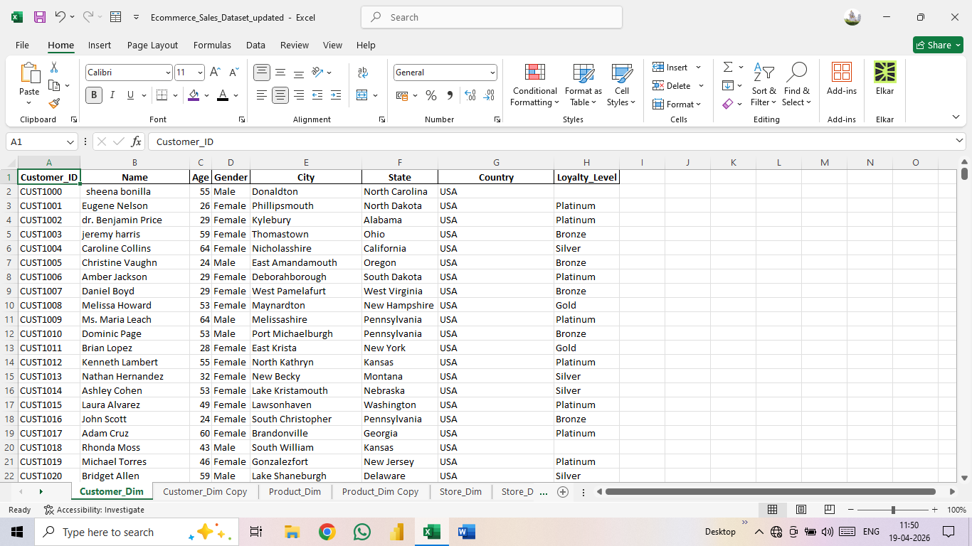
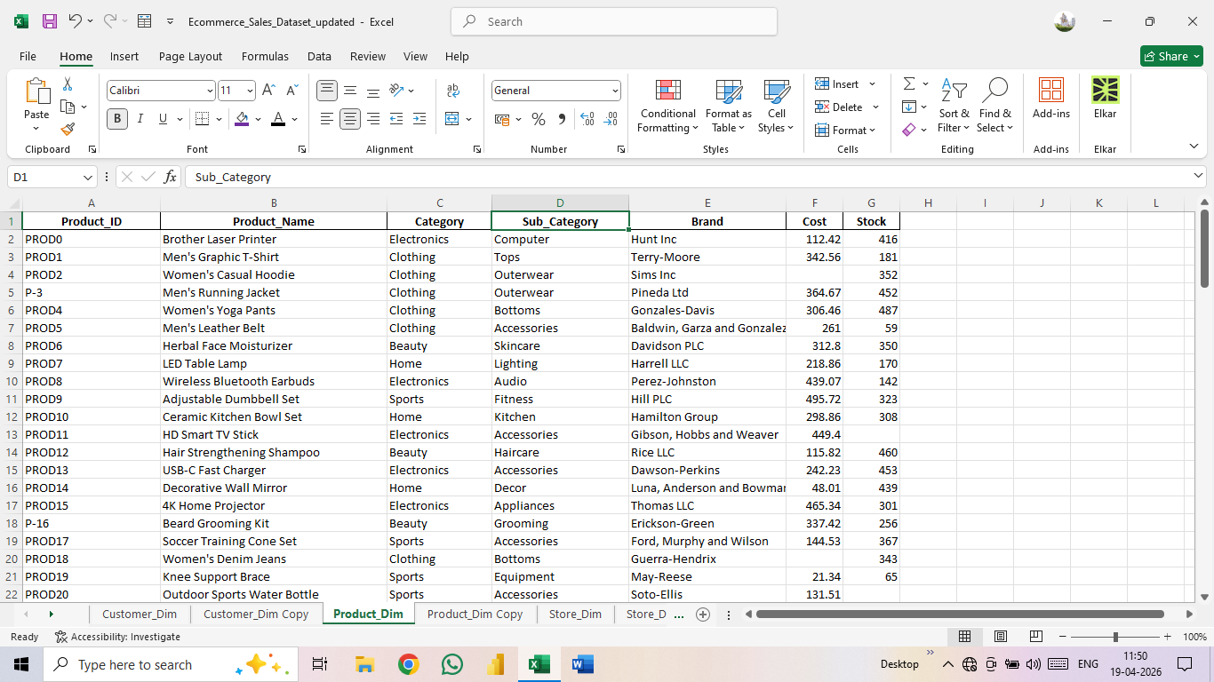

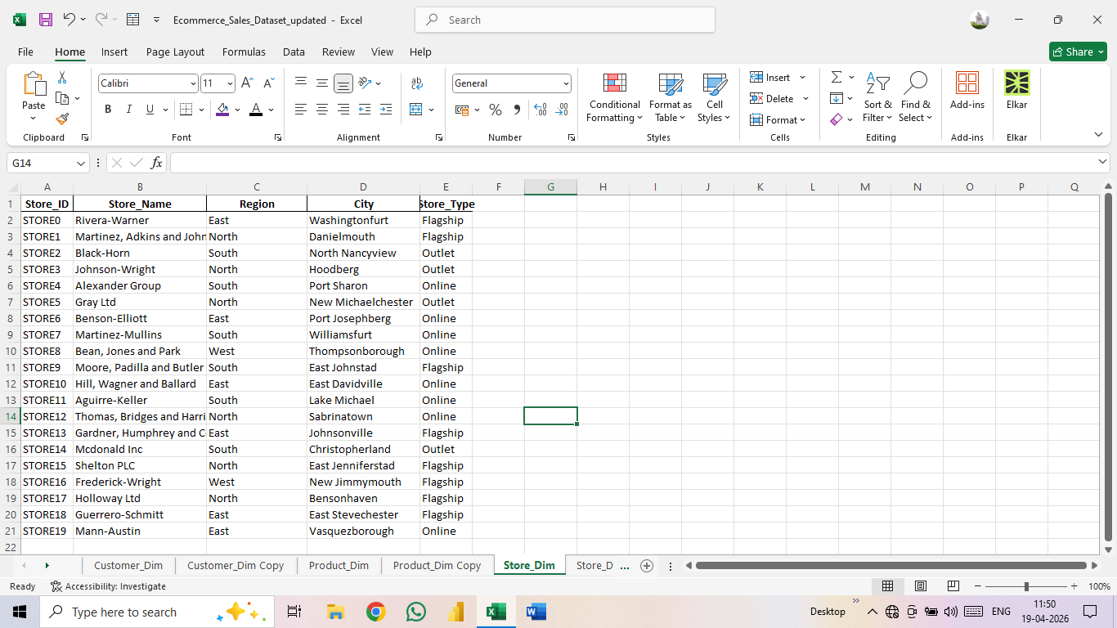
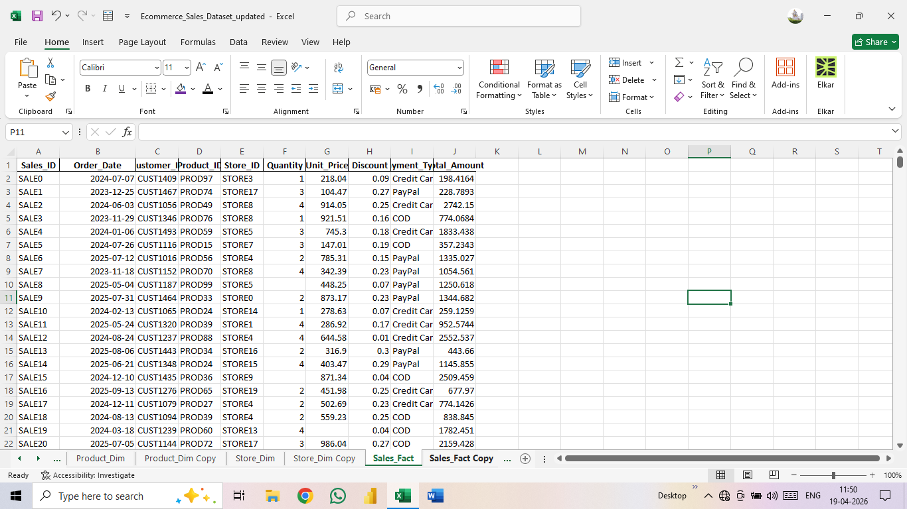

 | <>Data Cleaning:

 |  |  | >> First, I Selected The Entire Raw Data, Choose the 'Remove Duplicates' Option, and Completely Remove
 |  | All Duplicates.
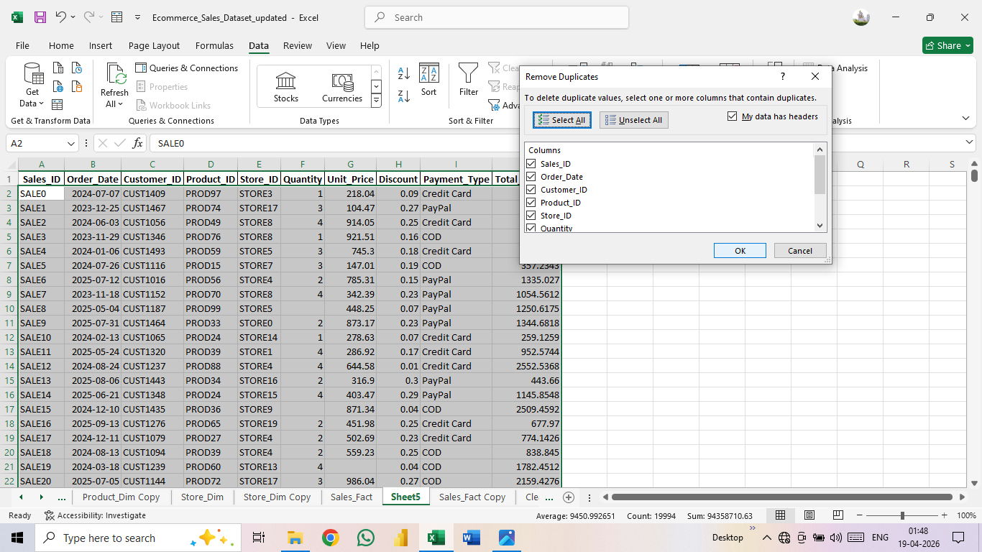

 |  |  | >> To Facilitate Data Analysis, I Selected The Entire Dataset and Coverted it into a Table.

 |  |  | >> As The Next Step, I used the 'Find And Replace' Option To Remove The Inconsistent Data.
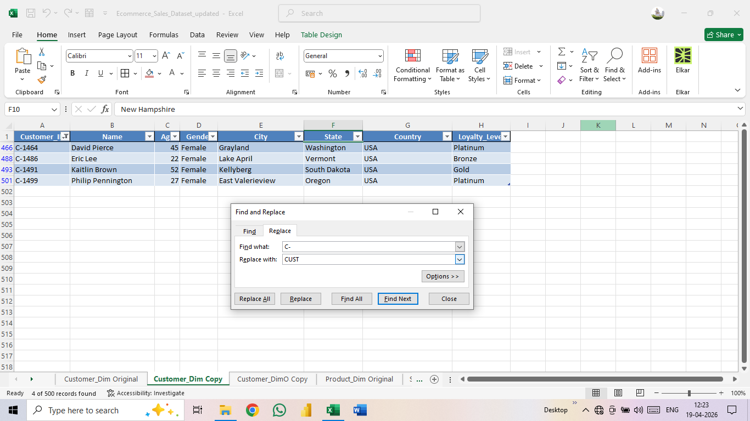

 |  |  | >> I Have Highlighted the Missing Values in My Data in RED by Utilizing the Conditional Formatting Option.
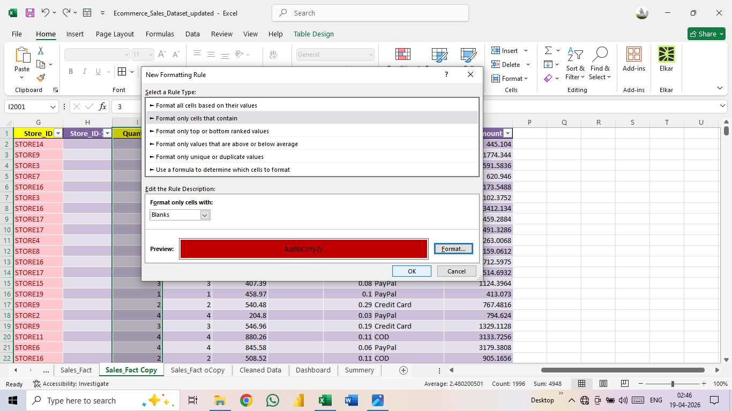

 |  |  | >> To Ensure That The Data In My Dataset Was in The Correct Format, I Checked the dataset's Format
 |  | and Converted it to the Appropriate Format.

 | <>KEY INSIGHTS:

 |  |  | >> An Analysis of the Data Reveals That Business in The "Western Region" has Performed Significantly Better,
 |  | on Average, Compared To The Other Regions.

 |  |  | >> A Large Number of Customers Have Purchased Products From The Store Using the Online Method.

 |  |  | >> A large Number Of Customers Have Purchased Products Online Using PayPal.

 |  |  | >> Compared to Other Category Products, the Maximum Price of Clothing items is Significantly lower.

 |  |  | >> Among Customers, a Higher Proportion of Female Hold Platinum-Level Loyalty Status.

 | <>DASHBOARD OVERVIEW:
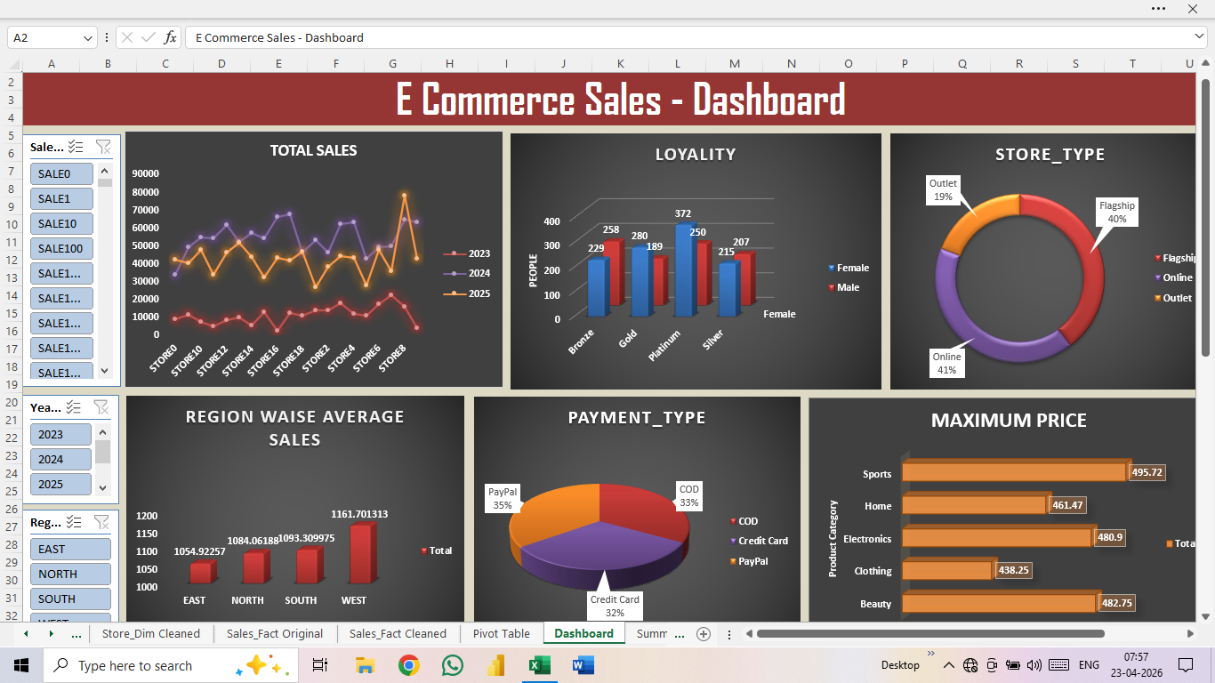

 | <>CONCLUSION:

 |  |  |  | * Based on this Analysis, Store 8 Performed Exceptionally Well in 2025, and the West Region Generated
 |  |  | the Highest Sales Volume During the Same Year. This Analysis Highlights key Revenue Drivers As Well As The Impact
 |  |  | Of Discounting Strategies on Profitability. This Dashboard Provides a Quick Overview of Sales Treands, Enabling Businesses
 |  |  | to make Data-Driven Decisions.

